Olist Actual
Columnas en 'product_category_name_translation':
- product_category_name
- product_category_name_english
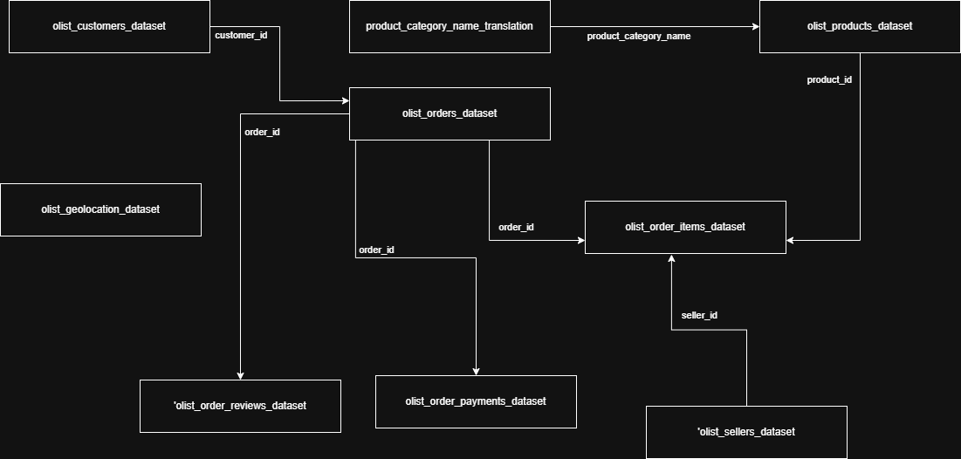
Columnas en 'olist_orders_dataset':
- order_id
- customer_id
- order_status
- order_purchase_timestamp
- order_approved_at
- order_delivered_carrier_date
- order_delivered_customer_date
- order_estimated_delivery_date

Columnas en 'olist_geolocation_dataset':
- geolocation_zip_code_prefix
- geolocation_lat
- geolocation_lng
- geolocation_city
- geolocation_state

Columnas en 'olist_order_reviews_dataset':
- review_id
- order_id
- review_score
- review_comment_title
- review_comment_message
- review_creation_date
- review_answer_timestamp

Columnas en 'olist_products_dataset':
- product_id
- product_category_name
- product_name_lenght
- product_description_lenght
- product_photos_qty
- product_weight_g
- product_length_cm
- product_height_cm
- product_width_cm

Columnas en 'olist_sellers_dataset':
- seller_id
- seller_zip_code_prefix
- seller_city
- seller_state

Columnas en 'olist_customers_dataset':
- customer_id
- customer_unique_id
- customer_zip_code_prefix
- customer_city
- customer_state

Columnas en 'olist_order_payments_dataset':
- order_id
- payment_sequential
- payment_type
- payment_installments
- payment_value

Columnas en 'olist_order_items_dataset':
- order_id
- order_item_id
- product_id
- seller_id
- shipping_limit_date
- price
- freight_value

